MODELO
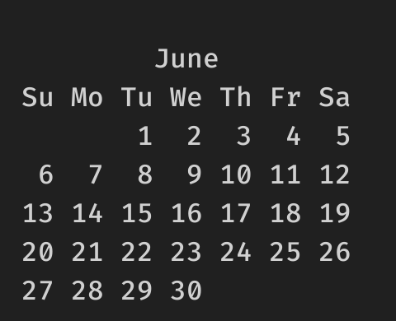
 | TEMPLATE |  |  |  |  |  |  |  |  |  |  |  |  |  |  |  |  | to make a column of dates skipping days and/or holidays
 | day | hours worked |  | pause |  |  |  |  |  |  |  |  |  |  |  |  |  | this below are only mondays and wednesdays, skipping holidays
 |  |  |  | 1a | 2a | 3a |  |  |  |  |  |  |  | DAY | AMOUNT | RESULT |  | 2021-06-02
Monday | 2 | 12:00:00 | 18:00:00 | 0:20:00 | 0:00:00 | 0:00:00 | 5:40:00 | =(E4-D4)-(G4+F4+H4) |  |  |  |  |  | 2023-02-01 | 1 | 2023-02-02 | =R4+S4 | 2021-06-07 | =WORKDAY.INTL(V3;1;"0101111";$P$17:$P$19)
Tuesday | 3 | 13:00:00 | 18:00:00 | 0:20:00 | 0:00:00 | 0:00:00 | 4:40:00 | para calcular as horas use o formato [uu]:mm |  |  |  |  |  | 2023-02-02 | -1 | 2023-02-01 | =R5+S5 | 2021-06-09 | =WORKDAY.INTL(V4;1;"0101111";$P$17:$P$19)
Wednesday | 4 | 11:00:00 | 18:00:00 | 0:00:00 | 0:30:00 | 0:10:00 | 6:20:00 | sem o colchete ele apenas formato menos que 24 horas |  |  |  |  |  | 2023-02-05 | 10 | 2023-02-15 | =R6+S6 | 2021-06-14 | =WORKDAY.INTL(V5;1;"0101111";$P$17:$P$19)
Thursday | 5 | 0:00:00 | 0:00:00 | 0:00:00 | 0:00:00 | 0:00:00 | 0:00:00 | se a celula tem 28 horas, com [] mostra 28, sem [] mostra 4 |  |  |  |  |  | 2023-02-11 | -10 | 2023-02-01 | =R7+S7 | 2021-06-16 | =WORKDAY.INTL(V6;1;"0101111";$P$17:$P$19)
Friday | 6 | 12:00:00 | 18:00:00 | 0:20:00 | 0:00:00 | 0:00:00 | 5:40:00 | se a celula esta no formato acima, vc pode somar subtrair horas |  |  |  |  |  | To add or sum days directly, just do the math |  |  |  | 2021-06-21 | =WORKDAY.INTL(V7;1;"0101111";$P$17:$P$19)
Saturday | 7 | 12:00:00 | 18:00:00 | 0:20:00 | 0:00:00 | 0:00:00 | 5:40:00 | direto, sem ter que transformar nada |  |  |  |  |  |  |  |  |  | 2021-06-23 | =WORKDAY.INTL(V8;1;"0101111";$P$17:$P$19)
Sunday | 8 |  |  |  |  |  |  |  |  |  |  |  |  |  |  |  |  | 2021-06-30 | =WORKDAY.INTL(V9;1;"0101111";$P$17:$P$19)
TOTAL WEEK |  |  |  |  |  |  | 28:00:00 |  |  |  |  |  |  |  |  |  |  | 2021-07-05 | =WORKDAY.INTL(V10;1;"0101111";$P$17:$P$19)

 |  |  |  |  |  |  |  |  |  |  |  |  |  |  |  | DAY | AMOUNT | RESULT |  | HOLIDAYS
Start | End | Days | Working Days (no weekends & holidays) | Working Days (only Mon, Tue, Sat) |  |  |  |  |  |  |  |  |  |  |  | 2023-02-01 | 3 | 2023-02-07 | =WORKDAY(T14;U14;$X$14:$X$17) | 2023-02-02
2021-06-02 | 2021-06-14 | 12 | 9 | 5 |  | 2021-06-01 |  |  |  |  |  |  |  |  |  | 2023-02-03 | -1 | 2023-02-01 | =WORKDAY(T15;U15;$X$14:$X$17) | 2023-02-09
2021-06-24 | 2021-06-30 | 6 | 5 | 3 |  | M | T | W | T | F | S | S | Holidays |  |  | 2023-02-06 | 10 | 2023-02-21 | =WORKDAY(T16;U16;$X$14:$X$17)
 |  |  |  |  |  |  | 1900-01-01 | 1900-01-02 | 1900-01-03 | 1900-01-04 | 1900-01-05 | 1900-01-06 | 2021-06-03 |  |  | 2023-02-13 | -6 | 2023-02-01 | =WORKDAY(T17;U17;$X$14:$X$17)
 |  |  |  |  |  | 1900-01-07 | 1900-01-08 | 1900-01-09 | 1900-01-10 | 1900-01-11 | 1900-01-12 | 1900-01-13 | 2021-06-28 |  |  | workdays consider weekends and holidays. There is also the INTL version above
 |  |  |  |  |  | 1900-01-14 | 1900-01-15 | 1900-01-16 | 1900-01-17 | 1900-01-18 | 1900-01-19 | 1900-01-20 | 2021-06-29 |  |  | workdays does not consider the initial day in the math
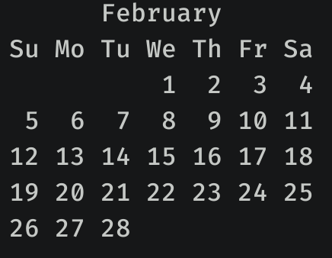
 |  |  |  |  |  | 1900-01-21 | 1900-01-22 | 1900-01-23 | 1900-01-24 | 1900-01-25 | 1900-01-26 | 1900-01-27
NETWORKDAYS.INTL ALWAYS COUNT THE INITIAL AND END DAYS |  |  |  |  |  | 1900-01-28 | 1900-01-29 | 1900-01-30
NETWORKDAYS.INTL THIRD PARAMETER IS A STRING WITH SEVEN PARTS, EACH PART IS 0 OR 1, TO INDICATE IF IT IS A WORKING DAY
0 IS WORKING DAY, 1 IS NOT. STARTS ON MONDAY. "0011101"-> WORKDAYS ARE MON, TUE AND SAT

